Participation List
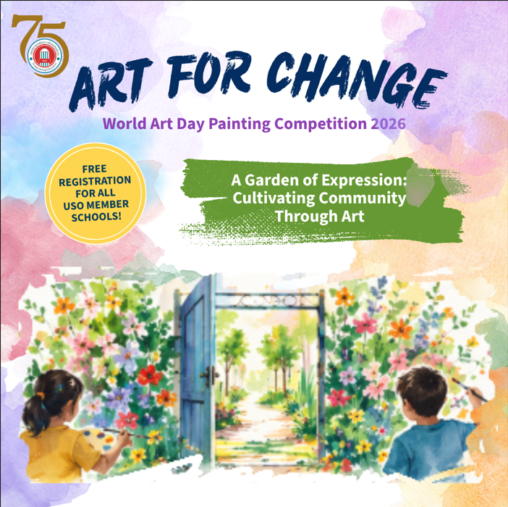 ART FOR CHANGE World Art Day Painting Competition 2026
Name of the School:
School Address:
Name of the Coordinator:
Coordinator Mobile No: |  |  | Coordinator Email:
USO Membership ID:
STUDENT PARTICIPATION LIST (Please use the dropdown to select the Std., category & Gender) |  |  |  |  | SUPPORTING TEACHERS (only for with support students)
S.No. | FULL NAME OF THE STUDENT | AGE GROUP | CATEGORY | GENDER | NAME OF THE TEACHER | GENDER
1
2
3
4
5
6
7
8
9
10
11
12
13
14
15
16
17
18
19
20
21
22
23
24
25
26
27
28
29
30
31
32
33
34
35
36
37
38
39
40
41
42
43
44
45
46
47
48
49
50
51
52
53
54
55

